Sheet1
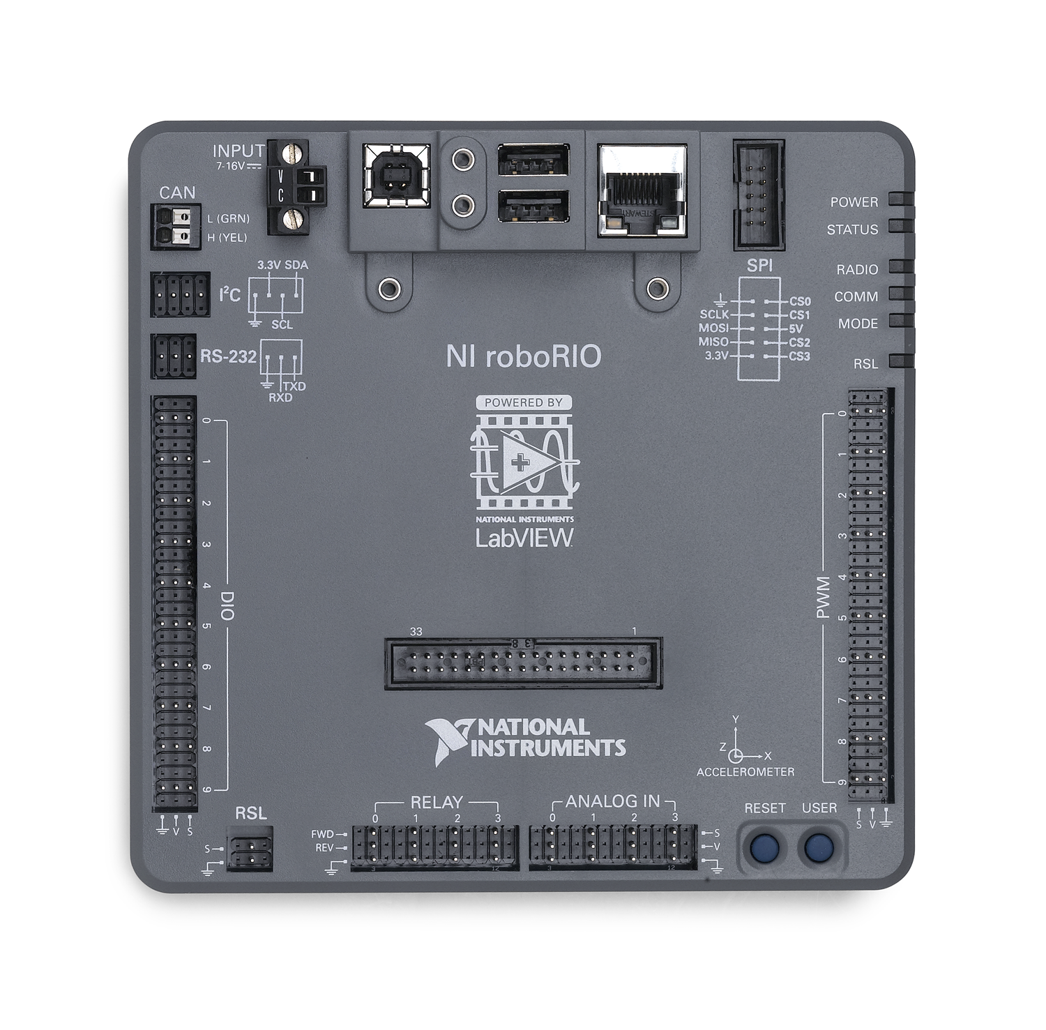
DIO | Function
0 | Kicker Ready Limit
1
2
3
4
5
6
7
8
9

PWM | Function
0 | Left Rear | SPARK
1 | Left Front | SPARK
2 | Right Rear | SPARK
3 | Right Front | SPARK
4 | Kicker | Victor SP
5 | Beater Bar | Victor SP
6
7
8
9

Relay | Function
0
1
2
3

Analog | Function
0 | Gyro
1 | Gyro Temp
2
3

 | Function
CAN
I2C
RS-232

